18_Setting Page
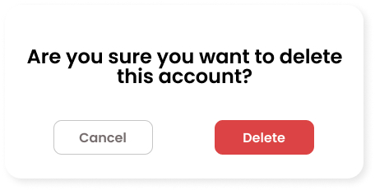
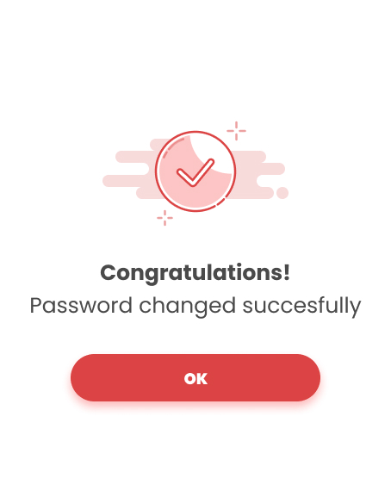
Project: |  | Version | 0.1 | Sprint | 2
Team: |  | Reviewed by
Document: | Principles | Approved by

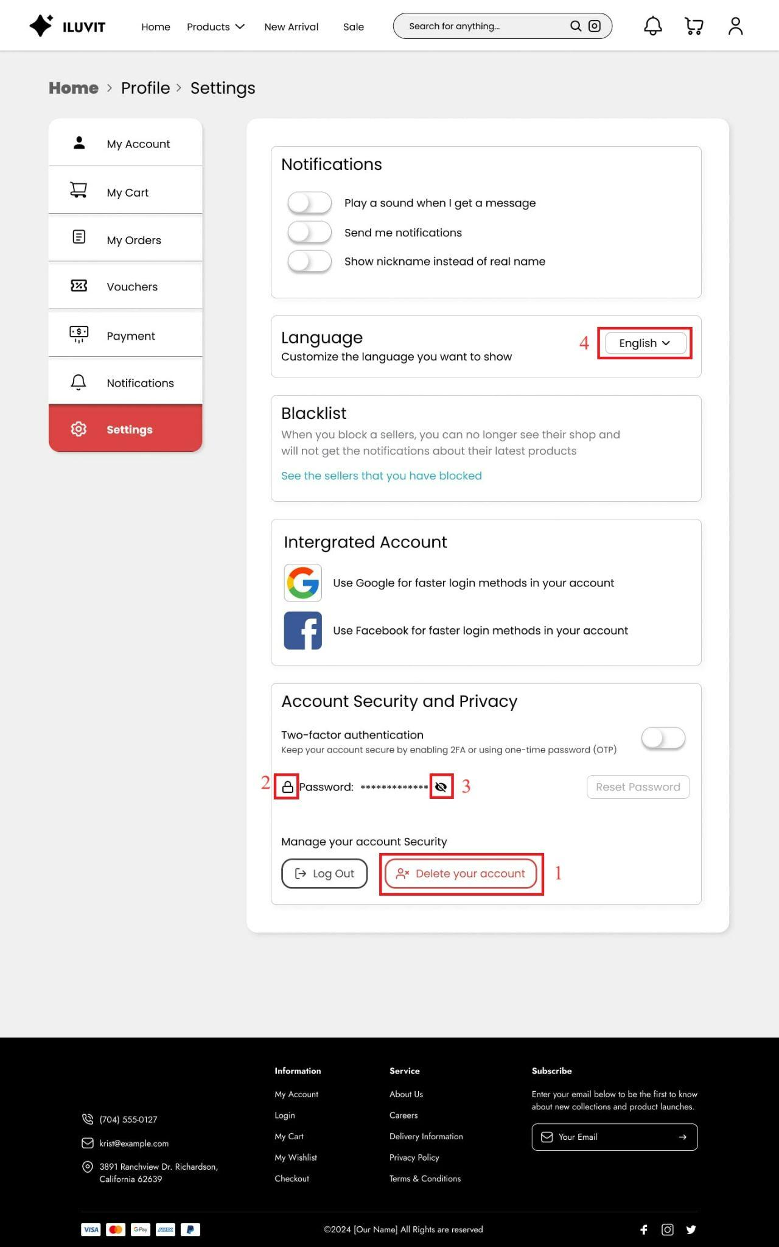
 |  |  |  |  |  | Principle | Number | Explanation
 |  |  |  |  |  | 1. Predictability | 1 | Users can guess that when they press "Delete Account", the account will be permanently deleted
 |  |  |  |  |  | 2. Familiarity | 2 | We use some familiar design icons such as a lock for password
 |  |  |  |  |  | 3. Dialog Initiative |  | Users receive a notification confirming they want to delete their account when pressing "Delete Account" and have two options for them: "Cancel" or "Delete"
 |  |  |  |  |  | 4. Observability |  | The message of successful password change or account deletion is displayed
 |  |  |  |  |  | 5. Responsiveness | 3 | The password appears or hides when clicking the eye icon next to it
 |  |  |  |  |  | 6. Customisability | 4 | Users are allowed to change how they receive notifications and the language used in their account

16_My Order
Project: |  | Version | 0.1 | Sprint | 2
Team: |  | Reviewed by
Document: | Principles | Approved by

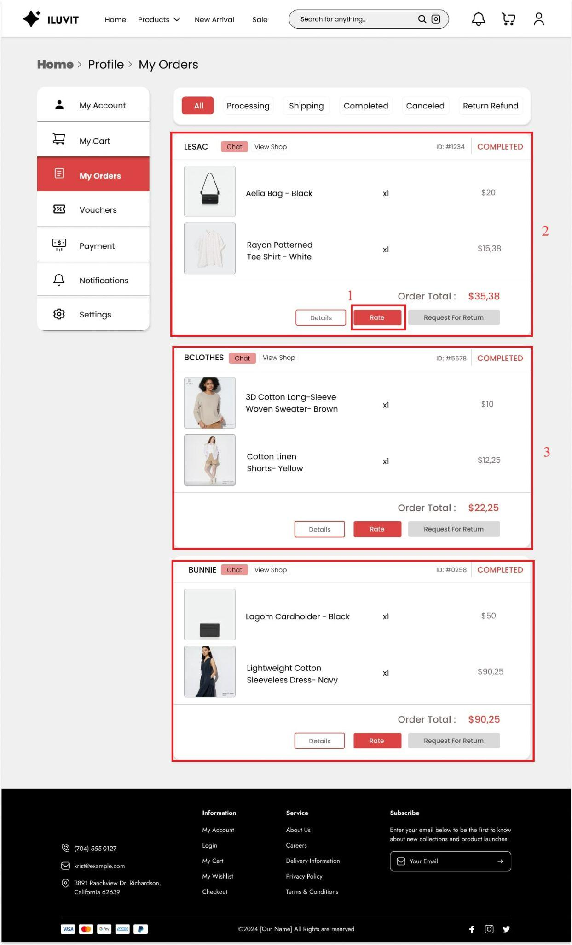
 |  |  |  |  |  | Principle | Number | Explanation
 |  |  |  |  |  | 1. Predictability |  | Users can guess that the function of the "rate" button is to go to the product rate and review page
 |  |  |  |  |  | 2. Consistency |  | By consistently presenting product information such as images, names, quantities, and selling prices of each item, the page has shown consistency with the order tracking page.

25_Address and Shipping
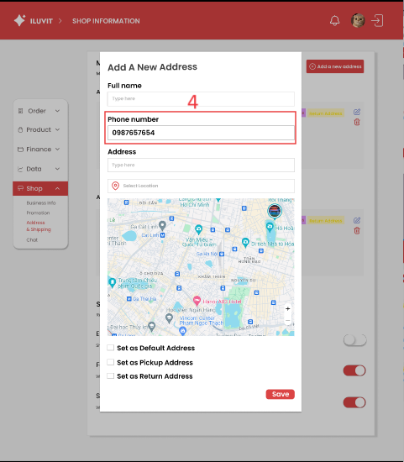
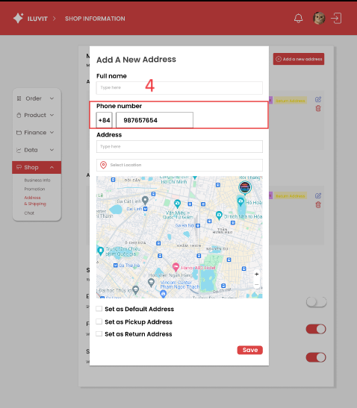
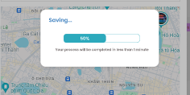
Project: |  | Version | 0.1 | Sprint | 2
Team: |  | Reviewed by
Document: | Principles | Approved by

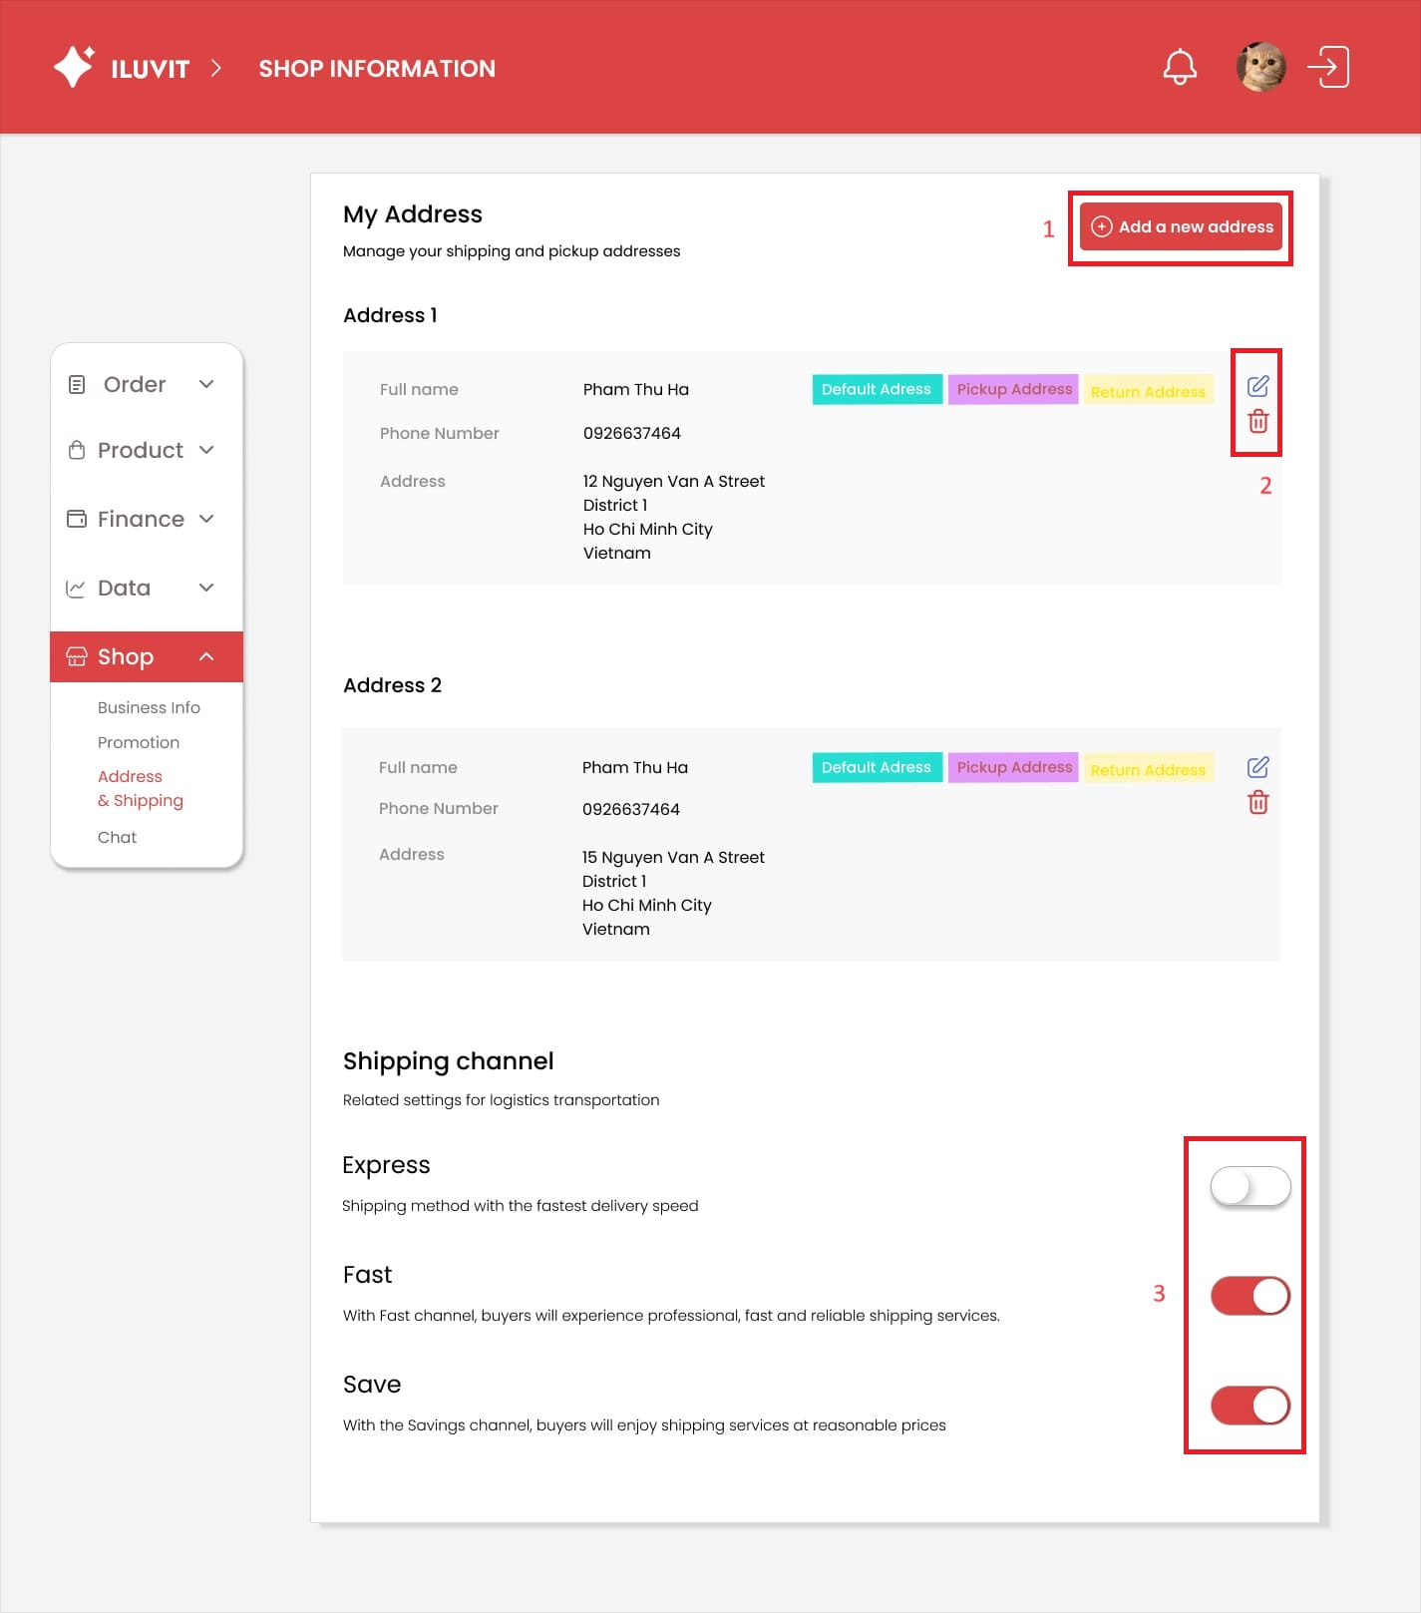
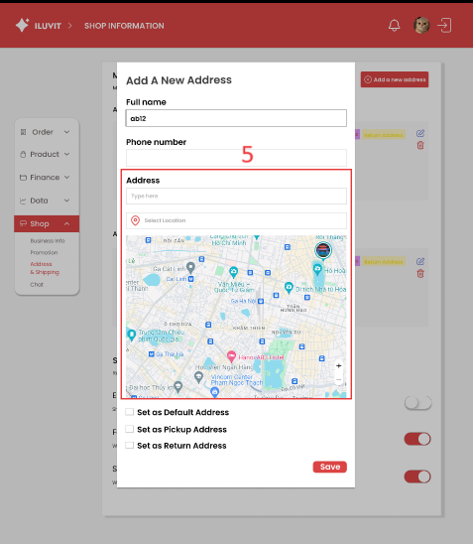
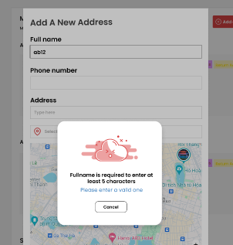
 |  |  |  |  |  | Principle | Number | Explanation
 |  |  |  |  |  | 1. Predictability | 1 | The website uses icons so users can easily guess the function of the icon such as the plus icon to add a new address.
 |  |  |  |  |  | 2. Familiarity | 2 | We use the pen icon to edit information address, and the rubbish icon to delete addresses.
 |  |  |  |  |  | 3. Consistency |  | Consistency is shown in the address section and ahipping channel section, title on the left and information on the right, they also use the same icons edit and delete and status bar
 |  |  |  |  |  | 4. Responsiveness | 3 | Users update the shipping status quickly through the color change from white to red in the shipping channel.
 |  |  |  |  |  | 5. Task Migratability | 4 | The system automatically identifies the phone number and country code.
 |  |  |  |  |  | 6. Substitutivity | 5 | Users can enter an address or select an address from google map.
 |  |  |  |  |  | 7. Observability |  | When the user clicks save, the percentage of saving will be displayed to give feedback to the user about the process of saving.
 |  |  |  |  |  | 8. Recoverability |  | When the user enters the "Full name" field with less than 5 characters, an error message will appear and a solution for it

33_View Notification
Project: |  | Version | 0.1 | Sprint | 2
Team: |  | Reviewed by
Document: | Principles | Approved by
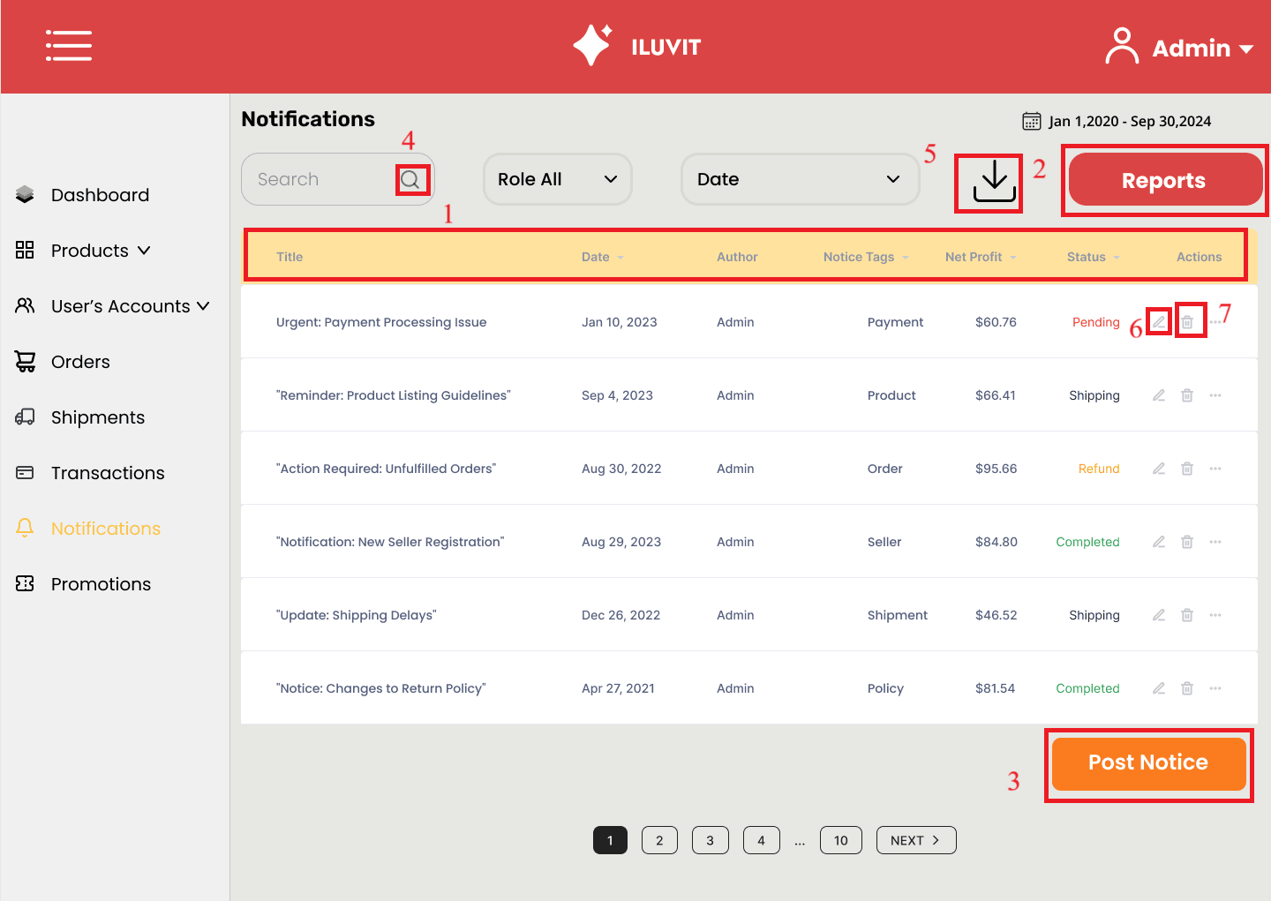
 |  |  |  |  |  | Principle | Number | Explanation
 |  |  |  |  |  | Consistency | 1 | The site maintains consistency by posting messages in a uniform format: title, date, author, notice tag, and the status
 |  |  |  |  |  | Predictability | 2024-03-02 | Admin can guess that pressing the "Reports" button will move to the page to view reports and the "Post Notice" button will move to the page to post new notices.
 |  |  |  |  |  | Familiarity | 4 5 6 7 | The design still uses familiar icons such as magnifying glass, download arrow, pen, and trash can to search, download, edit and delete information.

34_Manage Products
Project: |  | Version | 0.1 | Sprint | 2
Team: |  | Reviewed by
Document: | Principles | Approved by

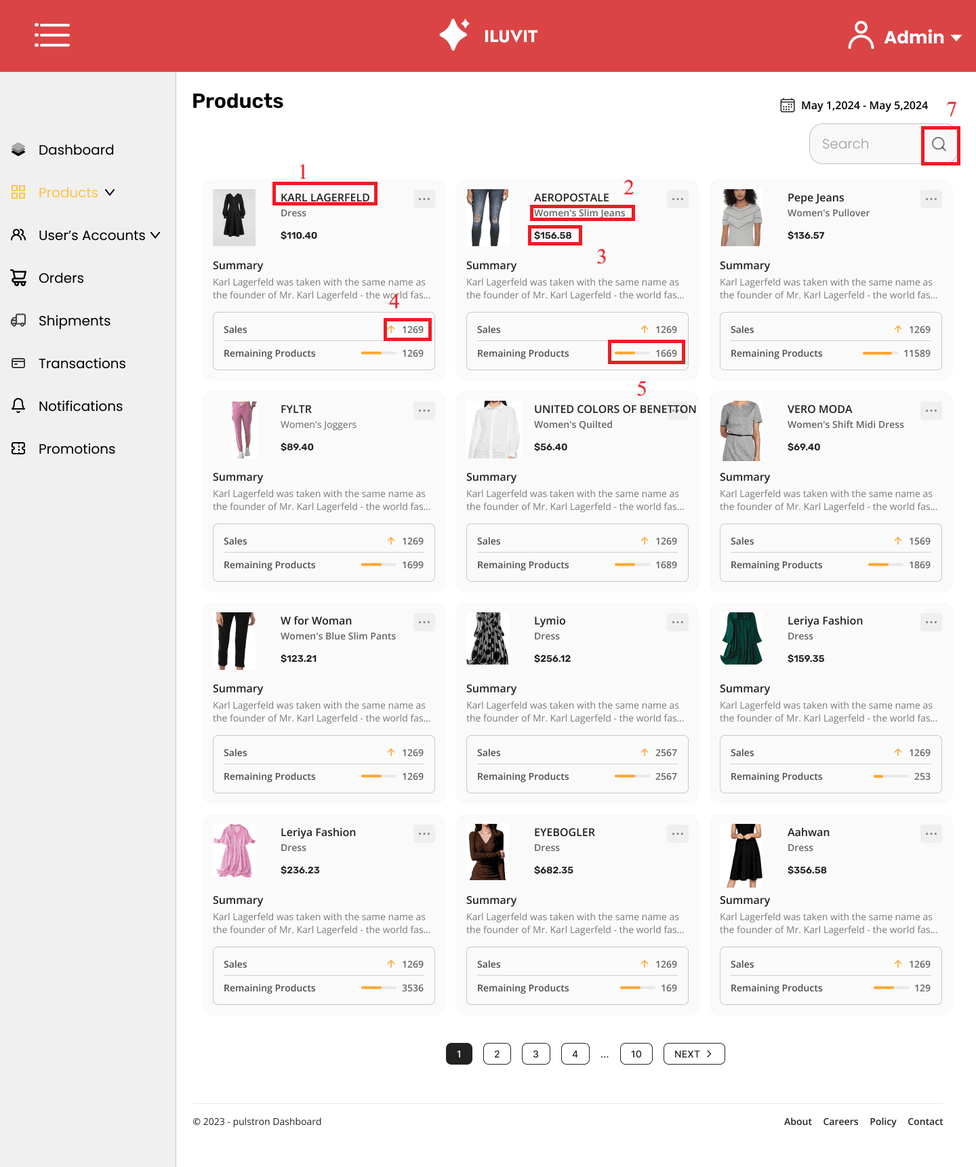
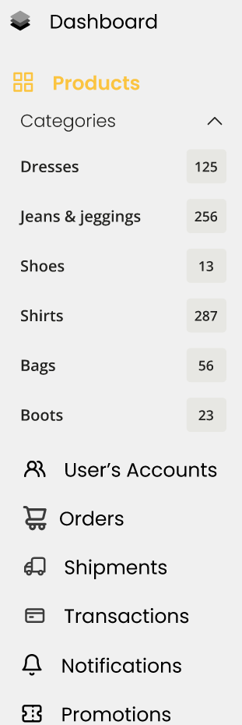
 |  |  |  |  |  |  | Principle | Number | Explanation
 |  |  |  |  |  | 6 | Consistency | 1 2 3 4 5 | The website maintains consistency by arranged in a uniform grid format with main content such as product name, product type, price, number of products sold, and number of products remaining.
 |  |  |  |  |  |  | Simplicity | 6 | The design has simplified the interface by classifying and grouping options into categories: when users click on "Product", the category table appears with sub-categories such as "Dresses", "Shoes", "Shirts ", and "Boots"
 |  |  |  |  |  |  | Familiarity | 7 | The design uses a magnifying glass icon for searching

37_Manage Transaction
Project: |  | Version | 0.1 | Sprint | 2
Team: |  | Reviewed by
Document: | Principles | Approved by

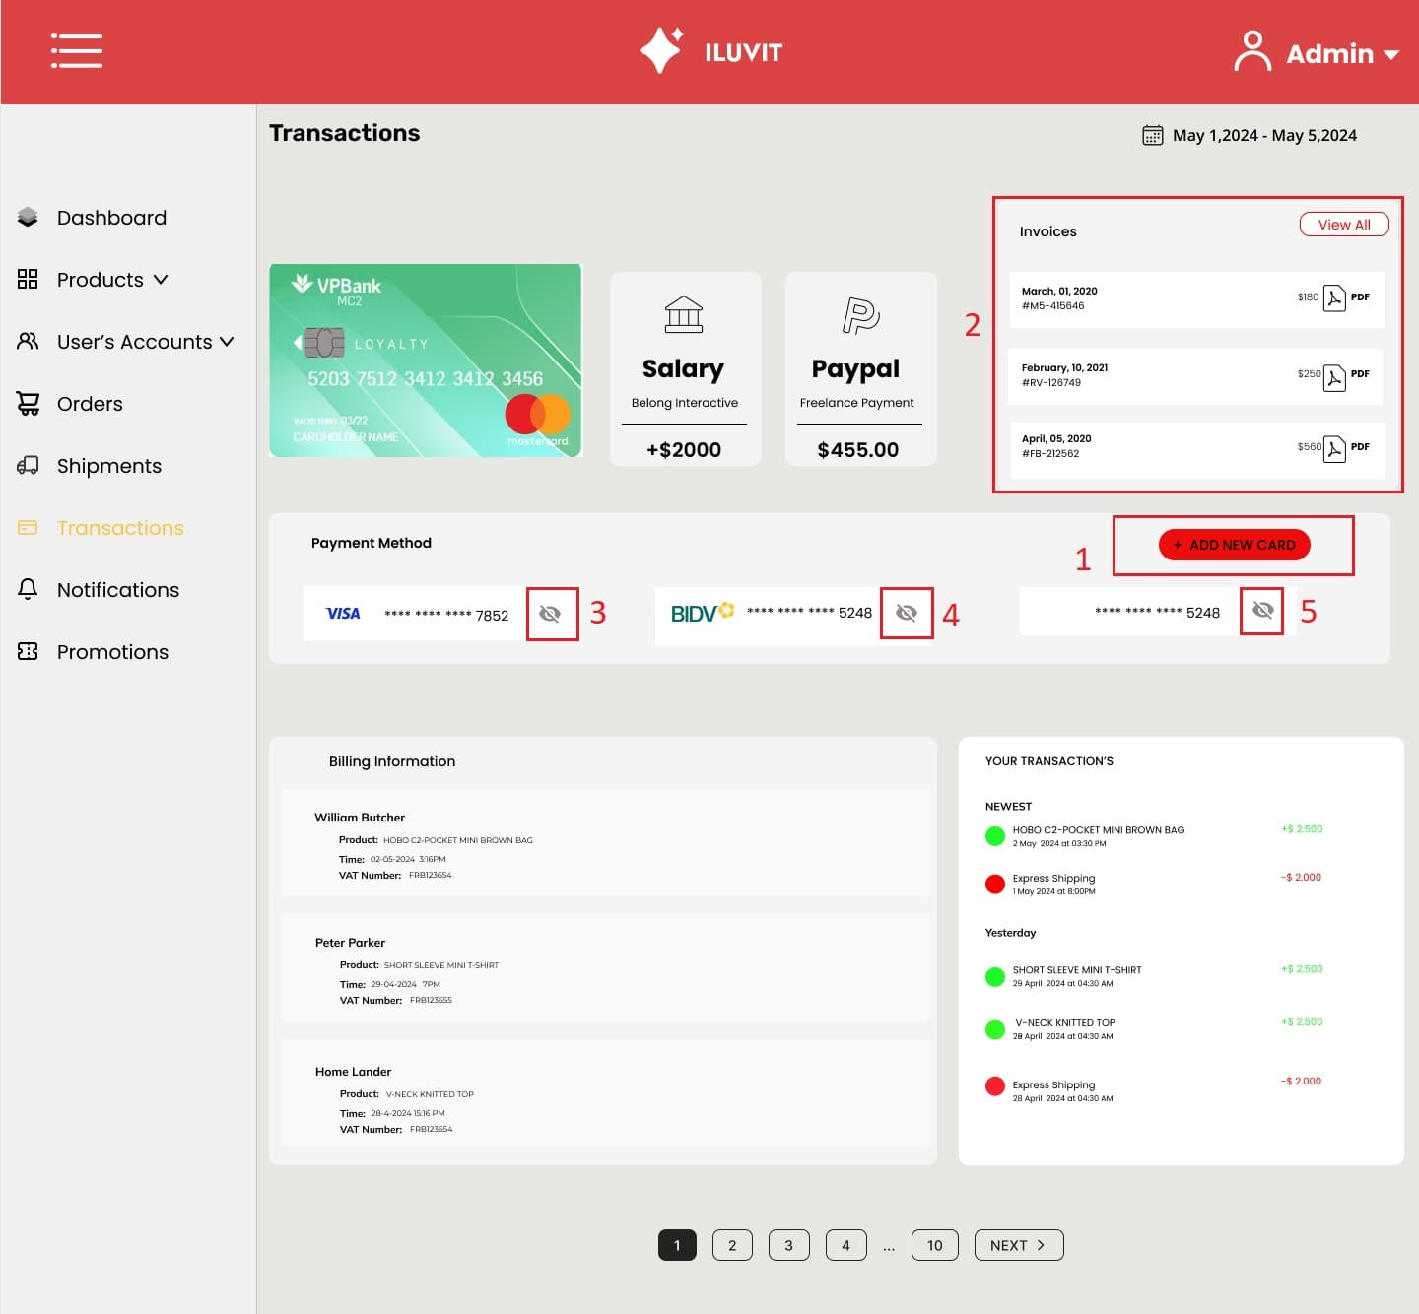
 |  |  |  |  |  | Principle | Number | Explanation
 |  |  |  |  |  | Predictability | 1 | The "+add new card" button (1) is utilized to enhance predictability, allowing the admin to anticipate its function of adding a new credit card.
 |  |  |  |  |  | Synthesizability | 2 | Synthesizability is effectively integrated into the system by providing admins with the capability to access and review historical invoices (2). Furthermore, admins are empowered to enhance their workflow efficiency by being able to download these invoices in PDF format.
 |  |  |  |  |  | Familiarity | 3, 4, 5 | The ability to hide or display card numbers through a toggle button with an eye icon (3), (4), (5) enhances familiarity and user experience as it resonates with users' daily experiences, thus strengthening their connection with the interface.

